GAP PHOTOS
REF | SKU | PHOTOS | SKU DESCR | GROUP | GENDER | COLOR | CAT
442111310 | 442111310001 | 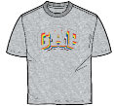 | GAPAW23MW63549200 | MEN | MEN | GREY | LOGO TEE
442271705 | 442271705001 |  | GAPAW23MW75377702 | MEN | MEN | RED | SWEATSHIRT
442271739 | 442271739001 |  | GAPAW23MW79645701 | MEN | MEN | GREEN | SWEATSHIRT
442271701 | 442271701001 |  | GAPAW23MW74681800 | MEN | MEN | BROWN | SWEATSHIRT
442271743 | 442271743001 |  | GAPAW23MW84049623 | MEN | MEN | RED | SWEATSHIRT
442111418 | 442111418001 | 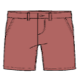 | GAPSU23MW56634402 | MEN | MEN | RED | SHORTS
442111421 | 442111421002 | 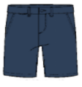 | GAPSU23MW56634400 | MEN | MEN | NAVY | SHORTS
442111422 | 442111422002 |  | GAPAW23MW56634408 | MEN | MEN | LT. GREY | SHORTS
442111458 | 442111458003 |  | GAPAW23MW62859504 | MEN | MEN | BLUE | SHORTS
441777750 | 441777750004 |  | GAPSS23M58630702 | MEN | MEN | NAVY | POLO TEE
441777790 | 441777790006 |  | GAPSS23M80425709 | MEN | MEN | TURQUIOSE | KNIT PANTS
442111369 | 442111369001 | 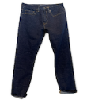 | GAPSU23MW48839200 | MEN | MEN | INDIGO | JEANS
442111355 | 442111355003 | 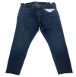 | GAPSU23MW41369000 | MEN | MEN | INDIGO | JEANS
442111637 | 442111637005 |  | GAPAW23MW54590000 | MEN | MEN | COBALT | FASHION TEE
442111630 | 442111630001 | 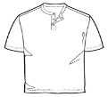 | GAPAW23MW54584905 | MEN | MEN | WHITE | FASHION TEE
442111531 | 442111531003 | 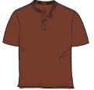 | GAPAW23MW58629404 | MEN | MEN | COPPER | FASHION TEE
442029579 | 442029579004 |  | GAPSS23W54938801 | WOMEN | WOMENS | OFF WHITE | WOVEN TOPS
442110646 | 442110646002 |  | GAPAW23WW66537801 | WOMEN | WOMEN | BLUE | WOVEN TOPS
441538778 | 441538778004 | 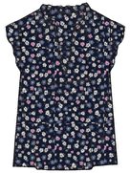 | GAPFW2242757901 | WOMEN | WOMENS | MULTI | TOPS
441592487 | 441592487005 | 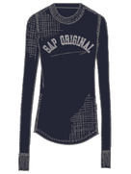 | GAPHO2242881501 | WOMEN | WOMENS | NAVY | TEE
441592489 | 441592489005 | 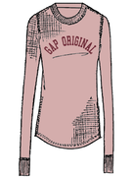 | GAPHO2242881503 | WOMEN | WOMENS | PINK | TEE
442307063 | 442307063001 |  | GAPAW23XWW55002500 | WOMEN | WOMEN | PURPLE | SWEATSHIRT
442031742 | 442031742003 | 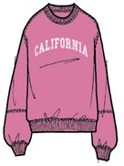 | GAPCSWW55495601 | WOMEN | WOMEN | PINK | SWEATSHIRT
442110690 | 442110690002 | 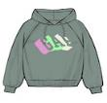 | GAPAW23WW61694801 | WOMEN | WOMEN | GREY | SWEATSHIRT
442253165 | 442253165001 | 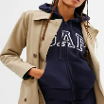 | GAPAW23WW46350301 | WOMEN | WOMEN | NAVY | SWEATSHIRT
442253347 | 442253347001 | 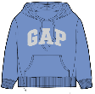 | GAPAW23WW79609903 | WOMEN | WOMEN | BLUE | SWEATSHIRT
442253254 | 442253254001 | 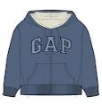 | GAPAW23WW74132503 | WOMEN | WOMEN | BLUE | SWEATSHIRT
442253261 | 442253261001 | 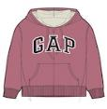 | GAPAW23WW74132501 | WOMEN | WOMEN | ROSE | SWEATSHIRT
442253280 | 442253280003 | 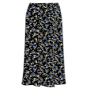 | GAPAW23WW74485600 | WOMEN | WOMEN | MULTI | SKIRT
442253281 | 442253281004 |  | GAPAW23WW74485601 | WOMEN | WOMEN | RED | SKIRT
442253328 | 442253328004 | 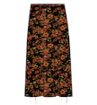 | GAPAW23WW79269200 | WOMEN | WOMEN | BLACK | SKIRT
442253330 | 442253330007 | 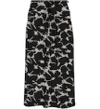 | GAPAW23WW79272901 | WOMEN | WOMEN | BLACK | SKIRT
442110622 | 442110622004 |  | GAPAW23WW63337000 | WOMEN | WOMEN | BLUE | SHORTS
442031713 | 442031713003 | 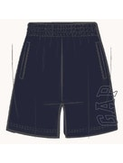 | GAPCSWW58613701 | WOMEN | WOMEN | NAVY | SHORTS
442031714 | 442031714005 | 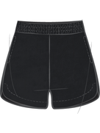 | GAPCSWW58603801 | WOMEN | WOMEN | BLACK | SHORTS
442031734 | 442031734004 | 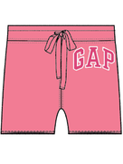 | GAPCSWW55485703 | WOMEN | WOMEN | CORAL | SHORTS
442031735 | 442031735005 | 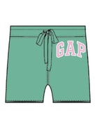 | GAPCSWW55485704 | WOMEN | WOMEN | GREEN | SHORTS
442031736 | 442031736004 | 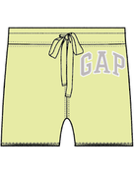 | GAPCSWW55485706 | WOMEN | WOMEN | LT. YELLOW | SHORTS
442031739 | 442031739005 | 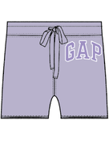 | GAPCSWW55485708 | WOMEN | WOMEN | LT. PURPLE | SHORTS
442283517 | 442283517004 |  | GAPAWC23WW58613705 | WOMEN | WOMEN | BLUE | SHORTS
442029811 | 442029811004 | 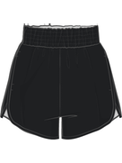 | GAPSS23W58566701 | WOMEN | WOMENS | BLACK | SHORTS
442110676 | 442110676002 |  | GAPAW23WW61671602 | WOMEN | WOMEN | BLACK | SHORTS
442110678 | 442110678003 |  | GAPAW23WW61669602 | WOMEN | WOMEN | BLACK | SHORTS
442110679 | 442110679004 |  | GAPAW23WW61669604 | WOMEN | WOMEN | LT. PINK | SHORTS
442110680 | 442110680004 |  | GAPAW23WW61669605 | WOMEN | WOMEN | RED | SHORTS
442110609 | 442110609001 |  | GAPAW23WW58570701 | WOMEN | WOMEN | INDIGO | SHORTS
442110611 | 442110611001 |  | GAPAW23WW57065101 | WOMEN | WOMEN | MEDIUM BLUE | SHORTS
442110612 | 442110612001 |  | GAPAW23WW56747201 | WOMEN | WOMEN | INDIGO | SHORTS
441591304 | 441591304006 | 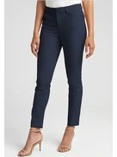 | GAPFW2246097301 | WOMEN | WOMENS | BLUE | PANTS
442031691 | 442031691004 | 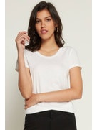 | GAPCSWW64644401 | WOMEN | WOMEN | WHITE | KNIT TOPS
442031693 | 442031693004 | 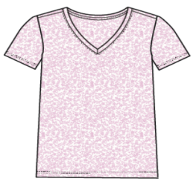 | GAPCSWW44300584 | WOMEN | WOMEN | LT. PINK | KNIT TOPS
442031683 | 442031683004 | 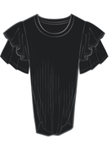 | GAPCSWW54068601 | WOMEN | WOMEN | BLACK | KNIT TOPS
442031685 | 442031685004 | 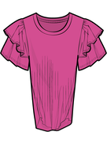 | GAPCSWW54068602 | WOMEN | WOMEN | PINK | KNIT TOPS
442031686 | 442031686003 | 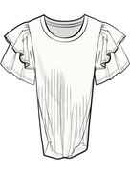 | GAPCSWW54068600 | WOMEN | WOMEN | OFF WHITE | KNIT TOPS
442031694 | 442031694005 | 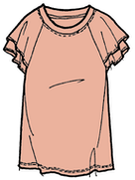 | GAPCSWW55520301 | WOMEN | WOMEN | PEACH | KNIT TOPS
442031695 | 442031695005 | 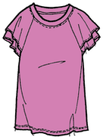 | GAPCSWW55520304 | WOMEN | WOMEN | PINK | KNIT TOPS
442031696 | 442031696004 | 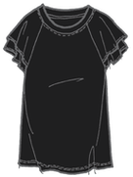 | GAPCSWW55520300 | WOMEN | WOMEN | BLACK | KNIT TOPS
442031697 | 442031697004 | 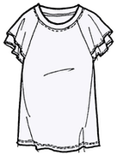 | GAPCSWW55520302 | WOMEN | WOMEN | WHITE | KNIT TOPS
442110762 | 442110762002 | 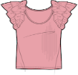 | GAPAW23WW67365101 | WOMEN | WOMEN | PINK | KNIT TOPS
442110764 | 442110764004 | 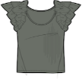 | GAPAW23WW67365103 | WOMEN | WOMEN | OLIVE | KNIT TOPS
442110777 | 442110777003 | 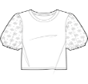 | GAPAW23WW65427503 | WOMEN | WOMEN | WHITE | KNIT TOPS
442253160 | 442253160002 |  | GAPAW23WW46349220 | WOMEN | WOMEN | DK. BROWN | KNIT PANTS
442253225 | 442253225002 | 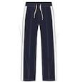 | GAPAW23WW72971501 | WOMEN | WOMEN | NAVY | KNIT PANTS
441538498 | 441538498006 | 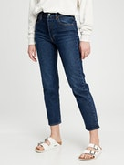 | GAPFW2266051800 | WOMEN | WOMENS | DENIM | JEANS
442253221 | 442253221006 | 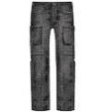 | GAPAW23WW72875600 | WOMEN | WOMEN | BLACK | JEANS
441538507 | 441538507006 | 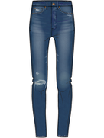 | GAPFW2240672300 | WOMEN | WOMENS | DENIM | JEANS
442283397 | 442283397002 |  | GAPAW23WW73940200 | WOMEN | WOMEN | BLACK | JEANS
441538384 | 441538384005 | 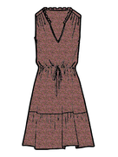 | GAPFW2242785502 | WOMEN | WOMENS | PINK | DRESSES
442064582 | 442064582002 |  | GAPSA23WW86145900 | WOMEN | WOMENS | NAVY | DRESSES
442110639 | 442110639004 |  | GAPAW23WW55234505 | WOMEN | WOMEN | BROWN | DRESS
442253331 | 442253331003 |  | GAPAW23WW79286001 | WOMEN | WOMEN | BLACK | DRESS
442029723 | 442029723003 |  | GAPSS23W57462301 | WOMEN | WOMEN | BLACK | DRESS
442110644 | 442110644001 |  | GAPAW23WW70960900 | WOMEN | WOMEN | BLUE | DRESS
442029568 | 442029568002 |  | GAPSS23W57558600 | WOMEN | WOMEN | PINK | DRESS
442253246 | 442253246004 | 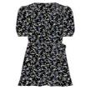 | GAPAW23WW73915101 | WOMEN | WOMEN | MULTI | DRESS
442253350 | 442253350001 |  | GAPAW23WW79763800 | WOMEN | WOMEN | BLACK | DRESS
442332942 | 442332942002 |  | GAPAW23WW82679300 | WOMEN | WOMEN | BLACK | DRESS
442332943 | 442332943001 |  | GAPAW23WW81666900 | WOMEN | WOMEN | GREY | DRESS
442110502 | 442110502001 |  | GAPAW23GI62250703 | KIDS | GIRLS | PURPLE | WOVEN PANTS
442110425 | 442110425001 |  | GAPAW23GI67286500 | KIDS | GIRLS | MULTI | SWEATSHIRT
442253010 | 442253010005 | 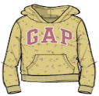 | GAPAW23GI78960301 | KIDS | GIRLS | YELLOW | SWEATSHIRT
442252865 | 442252865005 | 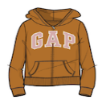 | GAPAW23GI77265700 | KIDS | GIRLS | ORANGE | SWEATSHIRT
442110423 | 442110423001 |  | GAPAW23GI62062900 | KIDS | GIRLS | AQUA | SWEATSHIRT
442110542 | 442110542009 | 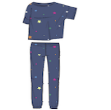 | GAPAW23GI66390800 | KIDS | GIRLS | DARK BLUE | SLEEPWEAR
442029497 | 442029497002 |  | GAPSS23K60634900 | KIDS | GIRLS | WHITE | SLEEPWEAR
442031455 | 442031455001 |  | GAPSS23K42887802 | KIDS | GIRLS | BLUE | SHORTS
442029431 | 442029431001 |  | GAPSS23K60262501 | KIDS | GIRLS | PEACH | SHORTS
442029425 | 442029425001 |  | GAPSS23K58759101 | KIDS | GIRLS | PINK | SHORTS
442031450 | 442031450001 |  | GAPSS23K46052508 | KIDS | GIRLS | LT. GREY | LOGO TEES
442110479 | 442110479004 |  | GAPAW23GI62229601 | KIDS | GIRLS | LT. PINK | LOGO TEE
442110480 | 442110480001 |  | GAPAW23GI62229604 | KIDS | GIRLS | WHITE | LOGO TEE
442110487 | 442110487004 |  | GAPAW23GI62106604 | KIDS | GIRLS | GREY | LOGO TEE
442110453 | 442110453001 |  | GAPAW23GI71046400 | KIDS | GIRLS | GREY | LOGO TEE
441589974 | 441589974001 | 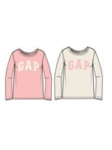 | GAPFW2262054700 | KIDS | GIRLS | MULTI | LOGO TEE
442110491 | 442110491005 | 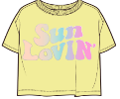 | GAPAW23GI62107304 | KIDS | GIRLS | YELLOW | KNIT TOPS
442031494 | 442031494001 |  | GAPSS23K91767302 | KIDS | GIRLS | DENIM BLUE | JEANS
441589841 | 441589841001 |  | GAPFW2284938115 | KIDS | GIRLS | GREY | HOODIE
441589830 | 441589830003 |  | GAPFW2242949100 | KIDS | GIRLS | BLUE | HOODIE
441589844 | 441589844002 |  | GAPFW2242949101 | KIDS | GIRLS | PINK | HOODIE
441589836 | 441589836001 |  | GAPFW2269227702 | KIDS | GIRLS | GREY | HOODIE
442029391 | 442029391002 |  | GAPSS23K61080800 | KIDS | GIRLS | PINK | DRESSES
442029560 | 442029560001 |  | GAPSS23K57609201 | KIDS | GIRLS | NAVY | DRESSES
442029561 | 442029561001 |  | GAPSS23K57609200 | KIDS | GIRLS | PINK | DRESSES
442110440 | 442110440001 |  | GAPAW23GI67273001 | KIDS | GIRLS | NAVY | DRESS
442251536 | 442251536001 |  | GAPAW23GI79767101 | KIDS | GIRLS | PINK | DRESS
442029563 | 442029563001 |  | GAPSS23K86028502 | KIDS | GIRLS | INDIGO | DRESS
442029564 | 442029564004 |  | GAPSS23K86028500 | KIDS | GIRLS | BLUE | DRESS
442110446 | 442110446001 |  | GAPAW23GI62262702 | KIDS | GIRLS | NAVY | DRESS
442110436 | 442110436005 |  | GAPAW23GI66443000 | KIDS | GIRLS | PINK | DRESS
442110373 | 442110373001 |  | GAPAW23BO70798801 | KIDS | BOYS | GREEN | WOVEN PANTS
442109930 | 442109930001 |  | GAPSS23BO88940401 | KIDS | BOYS | BLACK | SWEATSHIRT
442110524 | 442110524009 |  | GAPAW23BO66418800 | KIDS | BOYS | DARK BLUE | SLEEPWEAR
442110525 | 442110525009 |  | GAPAW23BO66418802 | KIDS | BOYS | DARK BLUE | SLEEPWEAR
442110522 | 442110522007 |  | GAPAW23BO66406700 | KIDS | BOYS | BEIGE | SLEEPWEAR
442110355 | 442110355001 |  | GAPAW23BO62427900 | KIDS | BOYS | AQUA | SHORTS
442029181 | 442029181001 |  | GAPSS23K54096603 | KIDS | BOYS | GREEN | SHORTS
442029198 | 442029198003 |  | GAPSS23K60280601 | KIDS | BOYS | BLUE | SHORTS
442029199 | 442029199002 |  | GAPSS23K60280600 | KIDS | BOYS | GREEN | SHORTS
442029176 | 442029176001 |  | GAPSS23K55920100 | KIDS | BOYS | BROWN | SHORTS
442031418 | 442031418001 |  | GAPSS23K84360700 | KIDS | BOYS | DARK BLUE | POLO TEE
442110271 | 442110271002 |  | GAPAW23BO62433601 | KIDS | BOYS | DARK BLUE | LOGO TEE
442110276 | 442110276001 |  | GAPAW23BO62461102 | KIDS | BOYS | YELLOW | LOGO TEE
442029150 | 442029150002 |  | GAPSS23K47326901 | KIDS | BOYS | LT. GREY | LOGO TEE
442110310 | 442110310003 |  | GAPSS23BO67302100 | KIDS | BOYS | PEACH | LOGO TEE
442252556 | 442252556003 |  | GAPFA23BO55006800 | KIDS | BOYS | BLUE | KNIT PANTS
442252557 | 442252557003 |  | GAPFA23BO55006803 | KIDS | BOYS | GREEN | KNIT PANTS
442319212 | 442319212002 |  | GAPAWC23TG78774200 | KIDS | TODDLER GIRL | GREEN | SWEATSHIRT
442319213 | 442319213003 |  | GAPAWC23TG78774202 | KIDS | TODDLER GIRL | YELLOW | SWEATSHIRT
442319215 | 442319215004 |  | GAPAWC23TG78774204 | KIDS | TODDLER GIRL | PINK | SWEATSHIRT
442110219 | 442110219004 |  | GAPAW23TG62125701 | KIDS | TODDLER GIRL | NAVY | SHORTS
442110212 | 442110212004 |  | GAPAW23TG62125400 | KIDS | TODDLER GIRL | MULTI | SHORTS
442110217 | 442110217003 |  | GAPAW23TG62139400 | KIDS | TODDLER GIRL | ROSE | SHORTS
442031379 | 442031379003 |  | GAPSS23K45990906 | KIDS | TODDLER GIRL | DARK BLUE | LOGO TEE
442319223 | 442319223003 |  | GAPAWC23TG79415102 | KIDS | TODDLER GIRL | OFF WHITE | LOGO TEE
442110191 | 442110191001 |  | GAPSS23TG62903600 | KIDS | TODDLER GIRL | PURPLE | LOGO TEE
442110169 | 442110169004 |  | GAPAW23TG71289001 | KIDS | TODDLER GIRL | WHITE | LOGO TEE
442110170 | 442110170004 |  | GAPAW23TG71289000 | KIDS | TODDLER GIRL | PURPLE | LOGO TEE
442110172 | 442110172004 |  | GAPAW23TG67011901 | KIDS | TODDLER GIRL | LT. PINK | LOGO TEE
441538285 | 441538285004 |  | GAPFW2287122701 | KIDS | TODDLER GIRL | MULTI | LEGGINGS
442110126 | 442110126004 |  | GAPSS23TG76034303 | KIDS | TODDLER GIRL | LT. PINK | LEGGING
442110178 | 442110178001 |  | GAPAW23TG67024000 | KIDS | TODDLER GIRL | LT. PINK | KNIT TOPS
442110199 | 442110199004 |  | GAPAW23TG62101100 | KIDS | TODDLER GIRL | NAVY | KNIT TOPS
442110176 | 442110176002 |  | GAPAW23TG65512900 | KIDS | TODDLER GIRL | PINK | KNIT TOPS
442110118 | 442110118001 |  | GAPAW23TG71414900 | KIDS | TODDLER GIRL | YELLOW | KNIT PANTS
442031478 | 442031478001 |  | GAPSS23K86005300 | KIDS | TODDLER GIRL | DENIM BLUE | JEGGING
442252831 | 442252831001 |  | GAPAW23TG75448700 | KIDS | TODDLER GIRL | NAVY | JEANS
442031472 | 442031472001 |  | GAPSS23K68131700 | KIDS | TODDLER GIRL | DENIM BLUE | JEANS
442110159 | 442110159003 |  | GAPAW23TG62119601 | KIDS | TODDLER GIRL | YELLOW | DRESS
442110155 | 442110155001 |  | GAPAW23TG62815800 | KIDS | TODDLER GIRL | MULTI | DRESS
442110156 | 442110156004 |  | GAPAW23TG62815802 | KIDS | TODDLER GIRL | PURPLE | DRESS
442110161 | 442110161003 |  | GAPAW23TG62097600 | KIDS | TODDLER GIRL | PEACH | DRESS
442028915 | 442028915003 |  | GAPSS23K55199300 | KIDS | TODDLER GIRL | BLACK | DRESS
442029525 | 442029525001 |  | GAPSS23K53613100 | KIDS | TODDLER GIRL | PINK | DRESS
442252568 | 442252568002 |  | GAPAW23TB56521800 | KIDS | TODDLER BOY | NAVY | WOVEN PANTS
442028681 | 442028681003 |  | GAPSS23K57123701 | KIDS | TODDLER BOY | PINK | SWEATSHIRT
442110008 | 442110008001 |  | GAPAW23TB66741500 | KIDS | TODDLER BOY | BEIGE | SWEATSHIRT
442252909 | 442252909002 |  | GAPAW23TB77483400 | KIDS | TODDLER BOY | BLACK | SLEEPWEAR
442028806 | 442028806003 |  | GAPSS23K82458912 | KIDS | TODDLER BOY | DARK BLUE | SHORTS
442109914 | 442109914001 |  | GAPAW23TB62585300 | KIDS | TODDLER BOY | GREY | SHORTS
442110086 | 442110086001 |  | GAPAW23TB62585301 | KIDS | TODDLER BOY | GOLD | SHORTS
442110087 | 442110087001 |  | GAPAW23TB62585302 | KIDS | TODDLER BOY | BLUE | SHORTS
442029514 | 442029514001 |  | GAPSS23K68890802 | KIDS | TODDLER BOY | GREY | SHORTS
442110066 | 442110066002 |  | GAPAW23TB57258700 | KIDS | TODDLER BOY | RED | POLO TEE
442109911 | 442109911001 |  | GAPSS23TB62233600 | KIDS | TODDLER BOY | DARK BLUE | POLO TEE
442110077 | 442110077002 |  | GAPSS23TB66763101 | KIDS | TODDLER BOY | CORAL | POLO TEE
442110032 | 442110032004 |  | GAPAW23TB66721006 | KIDS | TODDLER BOY | WHITE | LOGO TEE
441589680 | 441589680005 |  | GAPFW2267157201 | KIDS | TODDLER BOY | MULTI | KNIT JOGGER
442252571 | 442252571001 |  | GAPAW23TB57489300 | KIDS | TODDLER BOY | BLUE | JACKET

